KPI'S
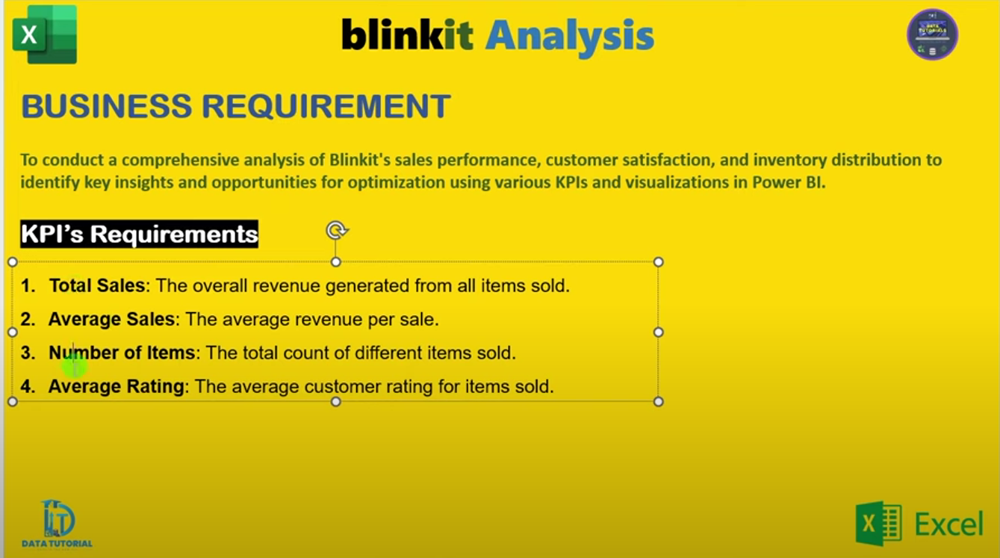
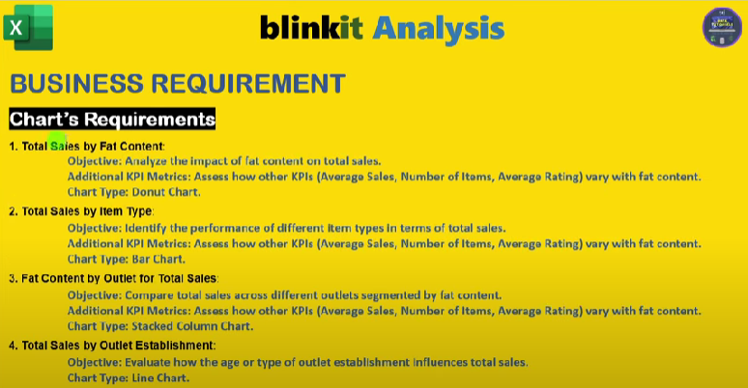
KPI REQUIREMENTS
Sum of Sales | Average of Sales | Number of Items | Average Rating
1,201,681.49 | 140.99 | 8523 | 3.9658570926
$1.20M | $141 | 8523 | 4

TOTAL SALES BY FAT CONTENT
Row Labels | Sum of Sales
Low Fat | $776.32K
Regular | $425.36K
Grand Total | $1201.68K

TOTAL SALES BY ITEM TYPE
Sum of Sales | Item Fat Content
Outlet Location Type | Regular | Low Fat | Grand Total
Tier 1 | $121.35K | $215.05K | $336.40K
Tier 2 | $138.69K | $254.46K | $393.15K
Tier 3 | $165.33K | $306.81K | $472.13K
Grand Total | $425.36K | $776.32K | $1201.68K

TOTAL SALES BY ITEM TYPE
Item Type | Sum of Sales
Soft Drinks | $58.51K
Meat | $59.45K
Health and Hygiene | $68.03K
Baking Goods | $81.89K
Canned | $90.71K
Dairy | $101.28K
Frozen Foods | $118.56K
Household | $135.98K
Snack Foods | $175.43K
Fruits and Vegetables | $178.12K
Grand Total | $1067.96K

TOTAL SALES BY ITEM TYPE
Outlet Establishment Year | Sum of Sales
2011 | $78.13K
2012 | $130.48K
2014 | $131.81K
2015 | $130.94K
2016 | $132.11K
2017 | $133.10K
2018 | $204.52K
2020 | $129.10K
2022 | $131.48K
Grand Total | $1201.68K

SALES BY OUTLET SIZE
Outlet Size | Sum of Sales
High | $248.99K
Medium | $507.90K
Small | $444.79K
Grand Total | $1201.68K

SALES BY OUTLET LOCATION
Outlet Location Type | Sum of Sales
Tier 3 | $472.13K |  | Tier 3 | $472.13k
Tier 2 | $393.15K |  | Tier 2 | $393.15k
Tier 1 | $336.40K |  | Tier 1 | $336.40k
Grand Total | $1201.68K

ALL METRICS BY OUTLET TYPE
Outlet Type | Sum of Sales
Supermarket Type3 | $130.71K
Supermarket Type2 | $131.48K
Grocery Store | $151.94K
Supermarket Type1 | $787.55K
Grand Total | $1201.68K

Outlet Type | Average of Sales
Supermarket Type3 | $140
Supermarket Type2 | $142
Grocery Store | $140
Supermarket Type1 | $141
Grand Total | $141

Outlet Type | Count of Item Identifier
Supermarket Type3 | 935
Supermarket Type2 | 928
Grocery Store | 1083
Supermarket Type1 | 5577
Grand Total | 8523

Dashboard
blinkit
OUTLET ESTABLISHMENT
$1.20M
$141
India's Last Minute App
 | Total
2011 | $78.13K
2012 | $130.48K
2014 | $131.81K
2015 | $130.94K
2016 | $132.11K
2017 | $133.10K
2018 | $204.52K
2020 | $129.10K
2022 | $131.48K
TOTAL SALES
FILTER PANEL
AVERAGE SALES VALUE

8523
4

TOTAL NO OF ITEMS
AVERAGE RATING

FAT CONTENT
 | Total
Soft Drinks | $58.51K
Meat | $59.45K
Health and Hygiene | $68.03K
Baking Goods | $81.89K
Canned | $90.71K
Dairy | $101.28K
Frozen Foods | $118.56K
Household | $135.98K
Snack Foods | $175.43K
Fruits and Vegetables | $178.12K
ITEM TYPE
OUTLET SIZE
OUTLET LOCATION
 | Total
Low Fat | $776.32K
Regular | $425.36K
 | Total
High | $248.99K
Medium | $507.90K
Small | $444.79K

FAT BY CITIES
 | Regular | Low Fat
Tier 1 | $121.35K | $215.05K
Tier 2 | $138.69K | $254.46K
Tier 3 | $165.33K | $306.81K
OUTLET TYPE
No of Items
 | Total
Supermarket Type3 | 935
Supermarket Type2 | 928
Grocery Store | 1083
Supermarket Type1 | 5577
Total Sales
 | Total
Supermarket Type3 | $130.71K
Supermarket Type2 | $131.48K
Grocery Store | $151.94K
Supermarket Type1 | $787.55K
Average Sales
 | Total
Supermarket Type3 | $140
Supermarket Type2 | $142
Grocery Store | $140
Supermarket Type1 | $141

